November
Interactions
Longline Gear with Turtles, Seabirds, Sharks and Rays

Vessel name |  | Timeframe |  |  | Fishing area;
 |  | Nov-21

 | Sun | Tue | Wed | Mon | Fri | Sat | Tue | Mon | Tue | Wed | Thu | Mon | Sat | Sun | Tue | Tue | Wed | Wed | Fri | Sat | Thu | Mon | Tue | Wed | Thu | Fri | Sat | Sun | Mon | Tue
 | 2021-11-01 | 2021-11-02 | 2021-11-03 | 2021-11-04 | 2021-11-05 | 2021-11-06 | 2021-11-07 | 2021-11-08 | 2021-11-09 | 2021-11-10 | 2021-11-11 | 2021-11-12 | 2021-11-13 | 2021-11-14 | 2021-11-15 | 2021-11-16 | 2021-11-17 | 2021-11-18 | 2021-11-19 | 2021-11-20 | 2021-11-21 | 2021-11-22 | 2021-11-23 | 2021-11-24 | 2021-11-25 | 2021-11-26 | 2021-11-27 | 2021-11-28 | 2021-11-29 | 2021-11-30 | Totals

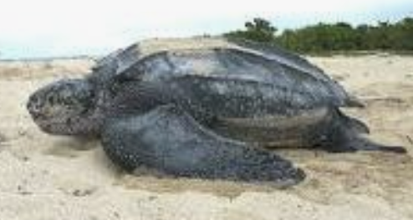
Sea Turtles
Uninjured | 0 | 0 | 0 | 0 | 0 | 0 | 0 | 0 | 0 | 0 | 0 | 0 | 0 | 0 | 0 | 0 | 0 | 0 | 0 | 0 | 0 | 0 | 0 | 0 | 0 | 0 | 0 | 0 | 0 | 0 | 0.00
Injured | 0 | 0 | 0 | 0 | 0 | 0 | 0 | 0 | 0 | 0 | 0 | 0 | 0 | 0 | 0 | 0 | 0 | 0 | 0 | 0 | 0 | 0 | 0 | 0 | 0 | 0 | 0 | 0 | 0 | 0 | 0
Dead | 0 | 0 | 0 | 0 | 0 | 0 | 0 | 0 | 0 | 0 | 0 | 0 | 0 | 0 | 0 | 0 | 0 | 0 | 0 | 0 | 0 | 0 | 0 | 0 | 0 | 0 | 0 | 0 | 0 | 0 | 0.00

Laysan albatross
Uninjured | 0 | 0 | 0 | 0 | 0 | 0 | 0 | 0 | 0 | 0 | 0 | 0 | 0 | 0 | 0 | 0 | 0 | 0 | 0 | 0 | 0 | 0 | 0 | 0 | 0 | 0 | 0 | 0 | 0 | 0 | 0
Injured | 0 | 0 | 0 | 0 | 0 | 0 | 0 | 0 | 0 | 0 | 0 | 0 | 0 | 0 | 0 | 0 | 0 | 0 | 0 | 0 | 0 | 0 | 0 | 0 | 0 | 0 | 0 | 0 | 0 | 0 | 0
Dead | 0 | 0 | 0 | 0 | 0 | 0 | 0 | 0 | 0 | 0 | 0 | 0 | 0 | 0 | 0 | 0 | 0 | 0 | 0 | 0 | 0 | 0 | 0 | 0 | 0 | 0 | 0 | 0 | 0 | 0 | 0
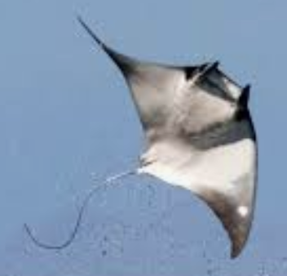
Spinetail devil ray (Mobula mobular
Uninjured | 0 | 0 | 0 | 0 | 0 | 0 | 0 | 0 | 0 | 0 | 0 | 0 | 0 | 0 | 0 | 0 | 0 | 0 | 0 | 0 | 0 | 0 | 0 | 0 | 0 | 0 | 0 | 0 | 0 | 0 | 0
Injured | 0 | 0 | 0 | 0 | 0 | 0 | 0 | 0 | 0 | 0 | 0 | 0 | 0 | 0 | 0 | 0 | 0 | 0 | 0 | 0 | 0 | 0 | 0 | 0 | 0 | 0 | 0 | 0 | 0 | 0 | 0
Dead | 0 | 0 | 0 | 0 | 0 | 0 | 0 | 0 | 0 | 0 | 0 | 0 | 0 | 0 | 0 | 0 | 0 | 0 | 0 | 0 | 0 | 0 | 0 | 0 | 0 | 0 | 0 | 0 | 0 | 0 | 0
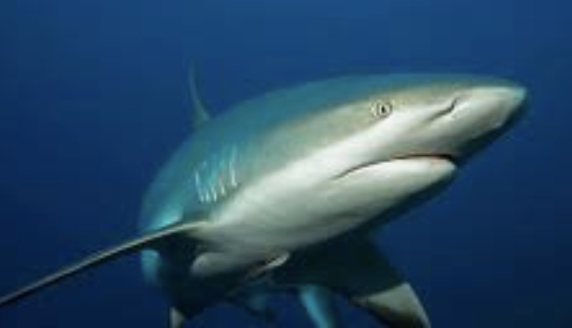
Silky shark
Uninjured | 0 | 0 | 0 | 0 | 0 | 0 | 0 | 0 | 0 | 0 | 0 | 0 | 0 | 0 | 0 | 0 | 0 | 0 | 0 | 0 | 0 | 0 | 0 | 0 | 0 | 0 | 0 | 0 | 0 | 0 | 0
Injured | 0 | 0 | 0 | 0 | 0 | 0 | 0 | 0 | 0 | 0 | 0 | 0 | 0 | 0 | 0 | 0 | 0 | 0 | 0 | 0 | 0 | 0 | 0 | 0 | 0 | 0 | 0 | 0 | 0 | 0 | 0
Dead | 0 | 0 | 0 | 0 | 0 | 0 | 0 | 0 | 0 | 0 | 0 | 0 | 0 | 0 | 0 | 0 | 0 | 0 | 0 | 0 | 0 | 0 | 0 | 0 | 0 | 0 | 0 | 0 | 0 | 0 | 0

Shortfin mako shark
Uninjured | 0 | 0 | 0 | 0 | 0 | 0 | 0 | 0 | 0 | 0 | 0 | 0 | 0 | 0 | 0 | 0 | 0 | 0 | 0 | 0 | 0 | 0 | 0 | 0 | 0 | 0 | 0 | 0 | 0 | 0 | 0
Injured | 0 | 0 | 0 | 0 | 0 | 0 | 0 | 0 | 0 | 0 | 0 | 0 | 0 | 0 | 0 | 0 | 0 | 0 | 0 | 0 | 0 | 0 | 0 | 0 | 0 | 0 | 0 | 0 | 0 | 0 | 0
Dead | 0 | 0 | 0 | 0 | 0 | 0 | 0 | 0 | 0 | 0 | 0 | 0 | 0 | 0 | 0 | 0 | 0 | 0 | 0 | 0 | 0 | 0 | 0 | 0 | 0 | 0 | 0 | 0 | 0 | 0 | 0

Thresher shark
Uninjured | 0 | 0 | 0 | 0 | 0 | 0 | 0 | 0 | 0 | 0 | 0 | 0 | 0 | 0 | 0 | 0 | 0 | 0 | 0 | 0 | 0 | 0 | 0 | 0 | 0 | 0 | 0 | 0 | 0 | 0 | 0
Injured | 0 | 0 | 0 | 0 | 0 | 0 | 0 | 0 | 0 | 0 | 0 | 0 | 0 | 0 | 0 | 0 | 0 | 0 | 0 | 0 | 0 | 0 | 0 | 0 | 0 | 0 | 0 | 0 | 0 | 0 | 0
Dead | 0 | 0 | 0 | 0 | 0 | 0 | 0 | 0 | 0 | 0 | 0 | 0 | 0 | 0 | 0 | 0 | 0 | 0 | 0 | 0 | 0 | 0 | 0 | 0 | 0 | 0 | 0 | 0 | 0 | 0 | 0
 | 0 | 0 | 0 | 0 | 0 | 0 | 0 | 0 | 0 | 0 | 0 | 0 | 0 | 0 | 0 | 0 | 0 | 0 | 0 | 0 | 0 | 0 | 0 | 0 | 0 | 0 | 0 | 0 | 0 | 0 | 0.00

