August 25
Interactions |  |  | August - November 2025
with Turtles, Seabirds, Sharks and Rays

Vessel Group |  | Timeframe |  |  | Fishing area
Chun Cheng |  | Aug-25 |  |  | WIO

 | 2025-08-01 | 2025-08-02 | 2025-08-03 | 2025-08-04 | 2025-08-05 | 2025-08-06 | 2025-08-07 | 2025-08-08 | 2025-08-09 | 2025-08-10 | 2025-08-11 | 2025-08-12 | 2025-08-13 | 2025-08-14 | 2025-08-15 | 2025-08-16 | 2025-08-17 | 2025-08-18 | 2025-08-19 | 2025-08-20 | 2025-08-21 | 2025-08-22 | 2025-08-23 | 2025-08-24 | 2025-08-25 | 2025-08-26 | 2025-08-27 | 2025-08-28 | 2025-08-29 | 2025-08-30 | Totals | Billing rate
 |  |  |  |  |  |  |  |  |  |  |  |  |  |  |  |  |  |  |  |  |  |  |  |  |  |  |  |  |  |  | 0.00 | 300.00

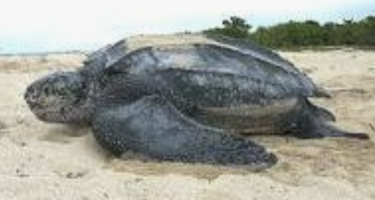 Sea Turtles
Uninjured | 0 | 2 | 0 | 0 | 0 | 0 | 0 | 0 | 0 | 0 | 3 | 0 | 0 | 0 | 0 | 0 | 4 | 0 | 0 | 0 | 2 | 0 | 0 | 0 | 0 | 0 | 0 | 0 | 0 | 0 | 11.00
Injured | 0 | 1 | 0 | 0 | 0 | 0 | 0 | 0 | 0 | 0 | 3 | 0 | 0 | 0 | 0 | 0 | 2 | 0 | 0 | 0 | 1 | 0 | 0 | 0 | 0 | 0 | 0 | 0 | 0 | 0 | 7
Dead | 0 | 1 | 0 | 0 | 0 | 0 | 0 | 0 | 0 | 0 | 0 | 0 | 0 | 0 | 0 | 0 | 1 | 0 | 0 | 0 | 0 | 0 | 0 | 0 | 0 | 0 | 0 | 0 | 0 | 0 | 2.00

Laysan albatross
Uninjured | 0 | 1 | 0 | 0 | 0 | 0 | 0 | 0 | 0 | 0 | 2 | 0 | 0 | 0 | 0 | 0 | 1 | 0 | 0 | 0 | 2 | 0 | 0 | 0 | 0 | 0 | 0 | 0 | 0 | 0 | 6
Injured | 0 | 0 | 0 | 0 | 0 | 0 | 0 | 0 | 0 | 0 | 1 | 0 | 0 | 0 | 0 | 0 | 0 | 0 | 0 | 0 | 1 | 0 | 0 | 0 | 0 | 0 | 0 | 0 | 0 | 0 | 2
Dead | 0 | 0 | 0 | 0 | 0 | 0 | 0 | 0 | 0 | 0 | 1 | 0 | 0 | 0 | 0 | 0 | 0 | 0 | 0 | 0 | 0 | 0 | 0 | 0 | 0 | 0 | 0 | 0 | 0 | 0 | 1
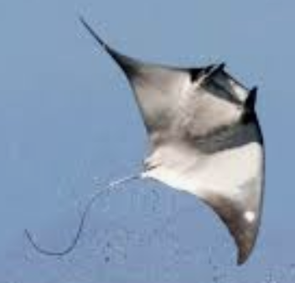
Spinetail devil ray (Mobula mobular
Uninjured | 0 | 2 | 0 | 0 | 0 | 0 | 0 | 0 | 0 | 0 | 1 | 0 | 0 | 2 | 0 | 0 | 4 | 0 | 0 | 0 | 2 | 0 | 0 | 0 | 0 | 0 | 0 | 0 | 0 | 0 | 11
Injured | 0 | 1 | 0 | 0 | 0 | 0 | 0 | 0 | 0 | 0 | 0 | 0 | 0 | 1 | 0 | 0 | 3 | 0 | 0 | 0 | 1 | 0 | 0 | 0 | 0 | 0 | 0 | 0 | 0 | 0 | 6
Dead | 0 | 0 | 0 | 0 | 0 | 0 | 0 | 0 | 0 | 0 | 0 | 0 | 0 | 1 | 0 | 0 | 1 | 0 | 0 | 0 | 0 | 0 | 0 | 0 | 0 | 0 | 0 | 0 | 0 | 0 | 2
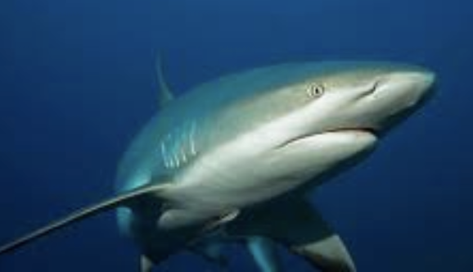
Silky shark
Uninjured | 0 | 1 | 0 | 0 | 0 | 0 | 0 | 0 | 0 | 0 | 2 | 0 | 0 | 1 | 0 | 0 | 1 | 0 | 0 | 0 | 2 | 0 | 0 | 0 | 0 | 0 | 0 | 0 | 0 | 0 | 7
Injured | 0 | 1 | 0 | 0 | 0 | 0 | 0 | 0 | 0 | 0 | 0 | 0 | 0 | 1 | 0 | 0 | 0 | 0 | 0 | 0 | 1 | 0 | 0 | 0 | 0 | 0 | 0 | 0 | 0 | 0 | 3
Dead | 0 | 0 | 0 | 0 | 0 | 0 | 0 | 0 | 0 | 0 | 1 | 0 | 0 | 0 | 0 | 0 | 1 | 0 | 0 | 0 | 1 | 0 | 0 | 0 | 0 | 0 | 0 | 0 | 0 | 0 | 3

Shortfin mako shark
Uninjured | 1 | 0 | 0 | 0 | 0 | 0 | 0 | 2 | 0 | 0 | 0 | 0 | 0 | 1 | 0 | 0 | 5 | 0 | 0 | 0 | 0 | 0 | 0 | 0 | 0 | 0 | 0 | 0 | 0 | 0 | 9
Injured | 1 | 0 | 0 | 0 | 0 | 0 | 0 | 0 | 0 | 0 | 1 | 0 | 0 | 0 | 0 | 0 | 1 | 0 | 0 | 0 | 1 | 0 | 0 | 0 | 0 | 0 | 0 | 0 | 0 | 0 | 4
Dead | 1 | 0 | 0 | 0 | 0 | 0 | 0 | 0 | 0 | 0 | 0 | 0 | 0 | 0 | 0 | 0 | 0 | 0 | 0 | 0 | 1 | 0 | 0 | 0 | 0 | 0 | 0 | 0 | 0 | 0 | 2

Thresher shark
Uninjured | 1 | 1 | 0 | 0 | 0 | 0 | 0 | 2 | 0 | 0 | 1 | 0 | 0 | 1 | 0 | 0 | 2 | 0 | 0 | 0 | 1 | 0 | 0 | 0 | 0 | 0 | 0 | 0 | 0 | 0 | 9
Injured | 0 | 0 | 0 | 0 | 0 | 0 | 0 | 0 | 0 | 0 | 0 | 0 | 0 | 0 | 0 | 0 | 0 | 0 | 0 | 0 | 1 | 0 | 0 | 0 | 0 | 0 | 0 | 0 | 0 | 0 | 1
Dead | 1 | 0 | 0 | 0 | 0 | 0 | 0 | 2 | 0 | 0 | 1 | 0 | 0 | 0 | 0 | 0 | 1 | 0 | 0 | 0 | 0 | 0 | 0 | 0 | 0 | 0 | 0 | 0 | 0 | 0 | 5

